Sheet1
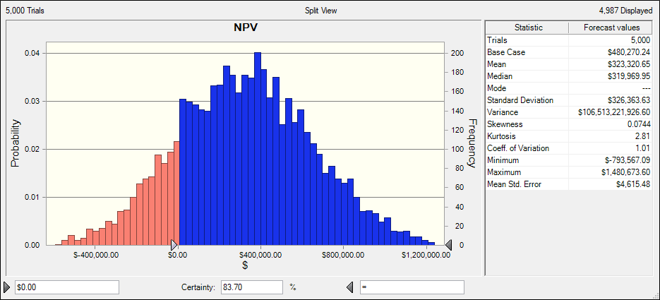
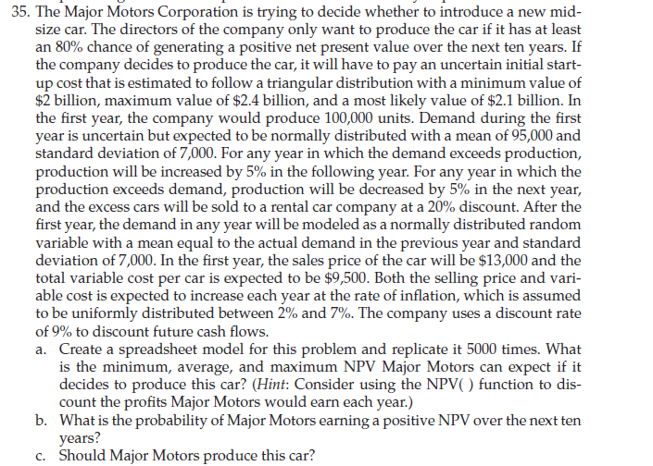
Amount In '000 |  |  | min | likliest | max
 | initial cost | 0 | $2,000,000.00 | $2,100,000.00 | $2,400,000.00
 | Demand |  | mean | 95000 | std. deviation | 7000
 | Inflation | 0 | 2% |  | 7%
 | Discount rate | 9%

Year | Production | Demand | car sale | Sale pricee | variable cost | excess car | Cash flow
1 | 100000 | 0 | 0 | $13.00 | $9.50 | 100000 | $90,000.00
2 | 95000 | 0 | 0 | $13.00 | $9.50 | 95000 | $85,500.00
3 | 90250 | 0 | 0 | $13.00 | $9.50 | 90250 | $81,225.00
4 | 85737.5 | 0 | 0 | $13.00 | $9.50 | 85737.5 | $77,163.75
5 | 81450.625 | 0 | 0 | $13.00 | $9.50 | 81450.625 | $73,305.56
6 | 77378.09375 | 0 | 0 | $13.00 | $9.50 | 77378.09375 | $69,640.28
7 | 73509.189062 | 0 | 0 | $13.00 | $9.50 | 73509.189062 | $66,158.27
8 | 69833.729609 | 0 | 0 | $13.00 | $9.50 | 69833.729609 | $62,850.36
9 | 66342.043129 | 0 | 0 | $13.00 | $9.50 | 66342.043129 | $59,707.84
10 | 63024.940972 | 0 | 0 | $13.00 | $9.50 | 63024.940972 | $56,722.45

NPV | $480,270.24

